Distributions
DISTRIBUTIONS |  | TC |  |  | TN |  |  | Log TC |  |  | logTN
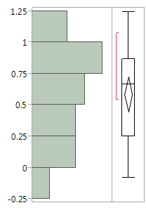
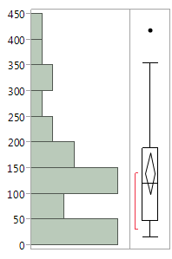
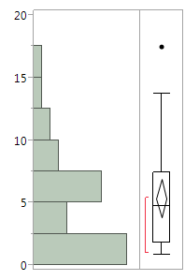
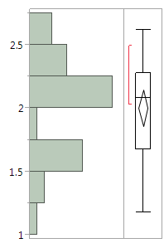

 | corrected_TC [mg/l] |  |  | Corrected_TNb [mg/l] |  |  | logTC |  |  | logTN
 | Quantiles |  |  | Quantiles |  |  | Quantiles |  |  | Quantiles

 | 100.00% | maximum | 417.22 | 100.00% | maximum | 17.42 | 100.00% | maximum | 2.62037 | 100.00% | maximum | 1.24105
 | 99.50% |  | 417.22 | 99.50% |  | 17.42 | 99.50% |  | 2.62037 | 99.50% |  | 1.24105
 | 97.50% |  | 417.22 | 97.50% |  | 17.42 | 97.50% |  | 2.62037 | 97.50% |  | 1.24105
 | 90.00% |  | 338.346 | 90.00% |  | 11.658 | 90.00% |  | 2.52919 | 90.00% |  | 1.06624
 | 75.00% | quartile | 189.533 | 75.00% | quartile | 7.425 | 75.00% | quartile | 2.27721 | 75.00% | quartile | 0.87007
 | 50.00% | median | 120.605 | 50.00% | median | 4.695 | 50.00% | median | 2.08125 | 50.00% | median | 0.66696
 | 25.00% | quartile | 47.701 | 25.00% | quartile | 1.7925 | 25.00% | quartile | 1.67847 | 25.00% | quartile | 0.25302
 | 10.00% |  | 31.5188 | 10.00% |  | 1.1044 | 10.00% |  | 1.49843 | 10.00% |  | 0.04273
 | 2.50% |  | 15.13 | 2.50% |  | 0.834 | 2.50% |  | 1.17984 | 2.50% |  | -0.0788
 | 0.50% |  | 15.13 | 0.50% |  | 0.834 | 0.50% |  | 1.17984 | 0.50% |  | -0.0788
 | 0.00% | minimum | 15.13 | 0.00% | minimum | 0.834 | 0.00% | minimum | 1.17984 | 0.00% | minimum | -0.0788

 | Summary Statistics |  |  | Summary Statistics |  |  | Summary Statistics |  |  | Summary Statistics

 | Mean | 140.47027 |  | Mean | 5.3586 |  | Mean | 2.0037696 |  | Mean | 0.5878575
 | Std Dev | 108.29022 |  | Std Dev | 4.1922213 |  | Std Dev | 0.3870314 |  | Std Dev | 0.3747723
 | Std Err Mean | 19.770998 |  | Std Err Mean | 0.7653914 |  | Std Err Mean | 0.0706619 |  | Std Err Mean | 0.0684237
 | Upper 95% Mean | 180.9065 |  | Upper 95% Mean | 6.9240012 |  | Upper 95% Mean | 2.1482895 |  | Upper 95% Mean | 0.7277997
 | Lower 95% Mean | 100.03403 |  | Lower 95% Mean | 3.7931988 |  | Lower 95% Mean | 1.8592497 |  | Lower 95% Mean | 0.4479152
 | N | 30 |  | N | 30 |  | N | 30 |  | N | 30

ANOVA T or C by Pore or Core
ANOVA - means, NOVA, pooled T-test
TN (log)\

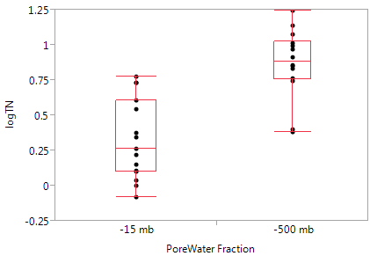
 | Summary of Fit
 | Rsquare | 0.521904 |  |  | Analysis of Variance
 | Adj Rsquare | 0.504196 |  |  | Source | DF | Sum of Squares | Mean Square | F Ratio | Prob > F
 | Root Mean Square Error | 0.277269 |  |  | PoreWater Fraction | 1 | 1.9447013 | 1.9447 | 26.7501 | <.0001
 | Mean of Response | 2.002115 |  |  | Error | 26 | 1.8901674 | 0.0727
 | Observations (or Sum Wgts) | 29 |  |  | C. Total | 27 | 3.8348687

 | t Test | -500 mb, -15 mb |  |  | Means for Oneway Anova
 | Assuming equal variances |  |  |  | Level | Number | Mean | Std Error | Lower 95% | Upper 95%
 | Difference | 0.559385 | t Ratio | 5.428993 | -15 mb | 14 | 0.341747 | 0.07206 | 0.19362 | 0.4899
 | Std Err Dif | 0.103037 | DF | 27 | -500 mb | 14 | 0.868828 | 0.07206 | 0.72071 | 1.017
 | Upper CL Dif | 0.770798 | Prob > |t| | <.0001 | Std Error uses a pooled estimate of error variance
 | Lower CL Dif | 0.347971 | Prob > t | <.0001
 | Confidence | 0.95 | Prob < t | 1

TC (log)

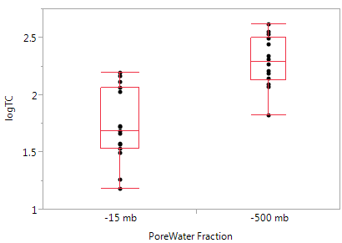

 | Summary of Fit |  |  |  | Analysis of Variance
 | Rsquare | 0.50711 |  |  | Source | DF | Sum of Squares | Mean Square | F Ratio | Prob > F
 | Adj Rsquare | 0.488153 |  |  | PoreWater Fraction | 1 | 2.0596623 | 2.05966 | 26.5711 | <.0001
 | Root Mean Square Error | 0.269627 |  |  | Error | 26 | 2.0153944 | 0.07752
 | Mean of Response | 0.605288 |  |  | C. Total | 27 | 4.0750567
 | Observations (or Sum Wgts) | 28 |  |  | Std Error uses a pooled estimate of error variance

 |  |  |  |  | Means for Oneway Anova
 | t Test | -500 mb--15 mb |  |  | Level | Number | Mean | Std Error | Lower 95% | Upper 95%
 | Assuming equal variances |  |  |  | -15 mb | 14 | 1.74901 | 0.07441 | 1.5961 | 1.902
 | Difference | 0.559385 | t Ratio | 5.428993 | -500 mb | 14 | 2.29145 | 0.07441 | 2.1385 | 2.4444
 | Std Err Dif | 0.103037 | DF | 27 | Std Error uses a pooled estimate of error variance
 | Upper CL Dif | 0.770798 | Prob > |t| | <.0001
 | Lower CL Dif | 0.347971 | Prob > t | <.0001
 | Confidence | 0.95 | Prob < t | 1

SLS effects test
Least Squares Fit - Core, Pore Water Fraction and Interaction

NITROGEN | TN(log) by Core, Pore and Interaction

 | Summary of whole Model Fit |  |  | Analysis of Variance of whole model
 | RSquare | 0.999985 |  | Source | DF | Sum of Squares | Mean Square | F Ratio | Prob > F
 | RSquare Adj | 0.999587 |  | Model | 27 | 4.0730342 | 0.150853 | 2511.355 | 0.0158*
 | Root Mean Square Error | 0.00775 |  | Error | 1 | 0.0000601 | 0.00006
 | Mean of Response | 0.58816 |  | C. Total | 28 | 4.0730943
 | Observations (or Sum Wgts) | 29

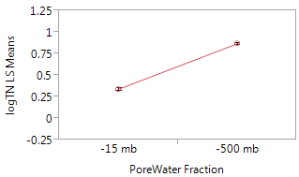
 | Effect Tests
 | Source | Nparm | DF | Sum of Squares | F Ratio | Prob > F |  |  |  | PoreWater Fraction
 | Core | 13 | 13 | 1.4058665 | 1800.34 | 0.0184* |  |  |  | Least Squares Means Table
 | PoreWater Fraction | 1 | 1 | 1.9771195 | 32914.46 | 0.0035* |  |  |  | Level | Least Sq Mean | Std Error | Mean
 | PoreWater Fraction*Core | 13 | 13 | 0.5003065 | 640.688 | 0.0309* |  |  |  | -15 mb | 0.34213881 | 0.00203405 | 0.326202
 |  |  |  |  |  |  |  |  |  | -500 mb | 0.86882844 | 0.00207138 | 0.868828

CARBON | TC (log) by Core, Pore Water Fraction and Interaction

 | Summary of Whole Model Fit |  |  | Analysis of Variance of whole model
 | RSquare | 0.999985 |  | Source | DF | Sum of Squares | Mean Square | F Ratio | Prob > F
 | RSquare Adj | 0.999587 |  | Model | 27 | 4.3432628 | 0.160862 | 433.4197 | 0.0506
 | Root Mean Square Error | 0.00775 |  | Error | 2 | 0.0007423 | 0.000371
 | Mean of Response | 0.58816 |  | C. Total | 29 | 4.3440051
 | Observations (or Sum Wgts) | 29

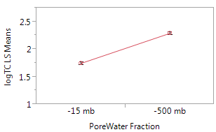
 | Effect Test
 | Source | Nparm | DF | Sum of Squares | F Ratio | Prob > F
 | Core | 13 | 13 | 1.4766571 | 171.911 | 0.0596 |  |  |  |  | PoreWater Fraction
 | PoreWater Fraction | 1 | 1 | 2.1071614 | 3189.078 | 0.0113* |  |  |  |  | Least Squares Means Table
 | PoreWater Fraction*Core | 13 | 13 | 0.5656385 | 65.8511 | 0.0962
 |  |  |  |  |  |  |  |  |  |  | Level | Least Sq Mean | Std Error | Mean
 |  |  |  |  |  |  |  |  |  |  | -15 mb | 1.7477167 | 0.00674614 | 1.73207
 |  |  |  |  |  |  |  |  |  |  | -500 mb | 2.2914516 | 0.00686993 | 2.29145
 |  |  | 0.011

REML Fit
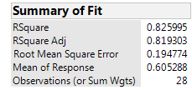
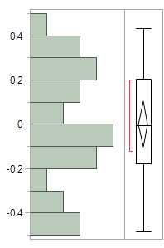
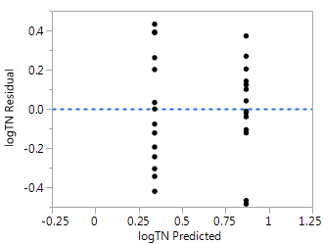
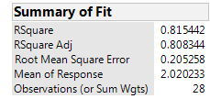
Carbon (log transformed) | REML: fixed = pore water fraction, random = core
 |  | Residual vs. Predicted | Residual Distribution
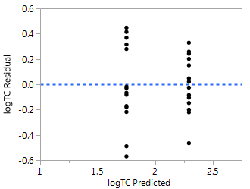
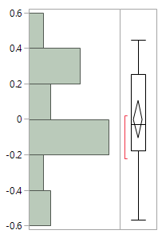

Nitrogen (log transformed) | REML: fixed = pore water fraction, random = core

